Sheet1
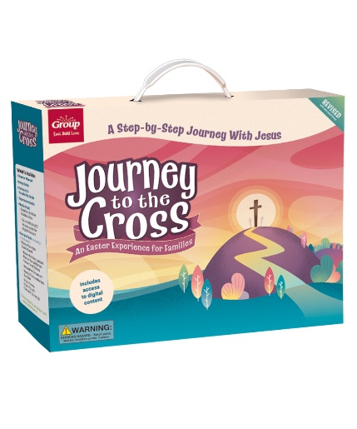
Journey to the Cross Order Form
 | Enter your numbers in the blue fields here: |  |  | Color Key
 | Is this order for U.S. or Canada? |  | US |  | Key Item
 | Number of guests |  | 98 |  | Director Favorite
 | Number of families |  | 25 |  | Kid Favorite
 |  |  |  |  | Family Favorite
 |  |  |  |  |  | One/Sample Included in Starter Kit
 |  |  |  |  |  | Outlet Item

Item Num | Final Title | US Price | CAN Price |  |  | Recommended Qty | Your Order Qty | Total
STARTER KITS
1210000314031 | Journey to the Cross Starter Kit | $72.99 | $98.99 |  |  | 1 |  | $0.00
EVENT ESSENTIALS
1210000314192 | Journey to the Cross Wristbands (pkg. of 10) | 10.99 | 14.99 |  |  | 10 |  | $0.00
9781470761486 | Journey to the Cross Director Guide | 9.99 | 13.49 |  |  | 1 |  | $0.00
1210000314758 | Journey to the Cross Poster Pack | 12.99 | 17.99 |  |  | 1 |  | $0.00
9781470761509 | Journey to the Cross Family Time Together Booklet 10 pack | 10.99 | 14.99 |  |  | 3 |  | $0.00
1210000314734 | Journey to the Cross Collector Card Pack (enough for 50) | 21.99 | 29.99 |  |  | 2 |  | $0.00
1210000314765 | Journey to the Cross Foto Frames (pkg. of 10) | 9.99 | 13.49 |  |  | 3 |  | $0.00
191487016506 | Fluorescent Paint | 7.99 | 10.99 |  |  | 1 |  | $0.00
1210000311146 | Handheld UV Light | 7.99 | 10.99 |  |  | 5 |  | $0.00
610563288991 | Mini Glow Sticks (pkg. of 50) | 5.99 | 8.49 |  |  | 1 |  | $0.00
DECORATING
1210000314772 | Journey to the Cross Giant Poster Pack (Set of 3) | $28.99 | $39.49 |  |  | 1 |  | $0.00
1210000314741 | Journey to the Cross Publicity Posters (pkg. of 5) | $7.99 | $10.99 |  |  | 1 |  | $0.00
1210000305718 | Fabric Palm Leaves (pkg. of 4) | 5.99 | 8.49 |  |  |  |  | $0.00
9781470734633 | Stone Wall Plastic Backdrop | 19.49 | 28.49 |  |  |  |  | $0.00
9781470734695 | Tissue Grass (2-pack) | 5.49 | 7.49 |  |  |  |  | $0.00

 |  |  |  |  |  | Sub-Total |  | $0.00
 |  |  |  |  |  | Discounts
 |  |  |  |  |  | Shipping/Handling

 |  |  |  |  |  | Grand Total |  | $0.00

Please complete your customer information below:

Bill to Account Number |  | Date | New Acct.?

Person Placing Order |  | Latest Date Items Can Deliver

Name of Bill-To

Address

City | State/Province | Zip/Postal Code

Daytime Phone | E-Mail Address

Different Ship-to Contact

Name of Ship-to

Address

City | State/Province | Zip/Postal Code

Daytime Phone

P.O. #

Key Code/Promo Code:

Comments

