Sheet1
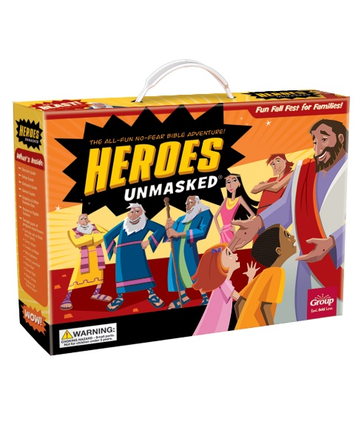
Heroes Unmasked Order Form
 | Enter your numbers in the blue fields here: |  |  | Color Key
 | Is this order for U.S. or Canada? |  | US |  | Key Item
 | Number of guests |  | 98 |  | Director Favorite
 | Number of families |  | 20 |  | Kid Favorite
 |  |  |  |  | Family Favorite
 |  |  |  |  |  | One/Sample Included in Starter Kit
 |  |  |  |  |  | Outlet Item

Item Num | Final Title | US Price | CAN Price |  |  | Recommended Qty | Your Order Qty | Total
STARTER KITS
1210000315465 | Heroes Unmasked Kit | $72.99 | $98.99 |  |  | 1 |  | $0.00
EVENT ESSENTIALS
9781470762087 | Hereos Unmasked Director Manual | $9.99 | $13.49 |  |  | 1 |  | $0.00
1210000315458 | Create-a-Masks (pkg. of 10) | $3.99 | $5.49 |  |  | 10 |  | $0.00
9781470762070 | Jesus: The Greatest Superhero Comic Book (pkg. of 10) | $9.99 | $13.49 |  |  | 10 |  | $0.00
1210000315441 | Bible Hero Cards (10 sets of 7 cards) | $19.99 | $26.99 |  |  | 10 |  | $0.00
1210000315472 | Silly Spheres | $11.99 | $16.49 |  |  | 4 |  | $0.00
97138624314 | Twisty Launchers (pkg. of 12) | $8.99 | $12.49 |  |  | 9 |  | $0.00
780984267735 | Glow Crosses (pkg. of 12) | $6.99 | $9.49 |  |  | 9 |  | $0.00
780984293154 | Rock Balls (pkg. of 12) | $10.99 | $14.99 |  |  | 9 |  | $0.00
97138654618 | Flaming Comets (pkg. of 12) | $5.99 | $8.49 |  |  | 9 |  | $0.00
49392226667 | Royal Crowns (pkg. of 12) | $4.29 | $5.99 |  |  | 9 |  | $0.00
1210000315489 | Red Sea Waves (pkg. of 4) | $24.99 | $33.99 |  |  | 1 |  | $0.00
1210000315496 | Heroes Unmasked Foto Frames (pkg. of 10) | $13.99 | $18.99 |  |  | 10 |  | $0.00
34689073246 | Heroes Unmasked Table Cover | $9.99 | $13.49 |  |  | 1 |  | $0.00
34689073321 | Heroes Unmasked Action Sign Cut Outs (pkg. of 12) | $7.49 | $10.49 |  |  | 1 |  | $0.00
1210000305688 | Fall Fest Bags (pkg. of 25) | $8.99 | $12.49 |  |  | 4 |  | $0.00

 |  |  |  |  |  | Sub-Total |  | $0.00
 |  |  |  |  |  | Discounts
 |  |  |  |  |  | Shipping/Handling

 |  |  |  |  |  | Grand Total |  | $0.00

Please complete your customer information below:

Bill to Account Number |  | Date | New Acct.?

Person Placing Order |  | Latest Date Items Can Deliver

Name of Bill-To

Address

City | State/Province | Zip/Postal Code

Daytime Phone | E-Mail Address

Different Ship-to Contact

Name of Ship-to

Address

City | State/Province | Zip/Postal Code

Daytime Phone

P.O. #

Key Code/Promo Code:

Comments

